Print Instructions
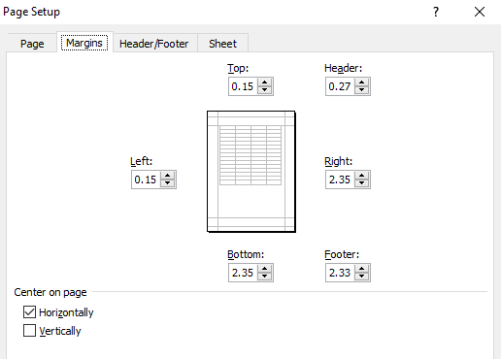
Printing Notes:
Print on 65lb Cardstock for best performance
Ensure print settings are set to "Print One Sided"!
Print only FrontGameCard tab and RefBack tab.
Print both tabs separately!
After printing FrontGameCard tab, flip to the left, face down, top facing the printer
If "Game Notes" are desired, Print "Game Notes" tab on same side of paper as "RefBack" tab.
Template will print two game cards per page
Ensure Print margins are set up as below…

Margins:

